Sheet1
2023
TruChoice Offer
®

BOOST

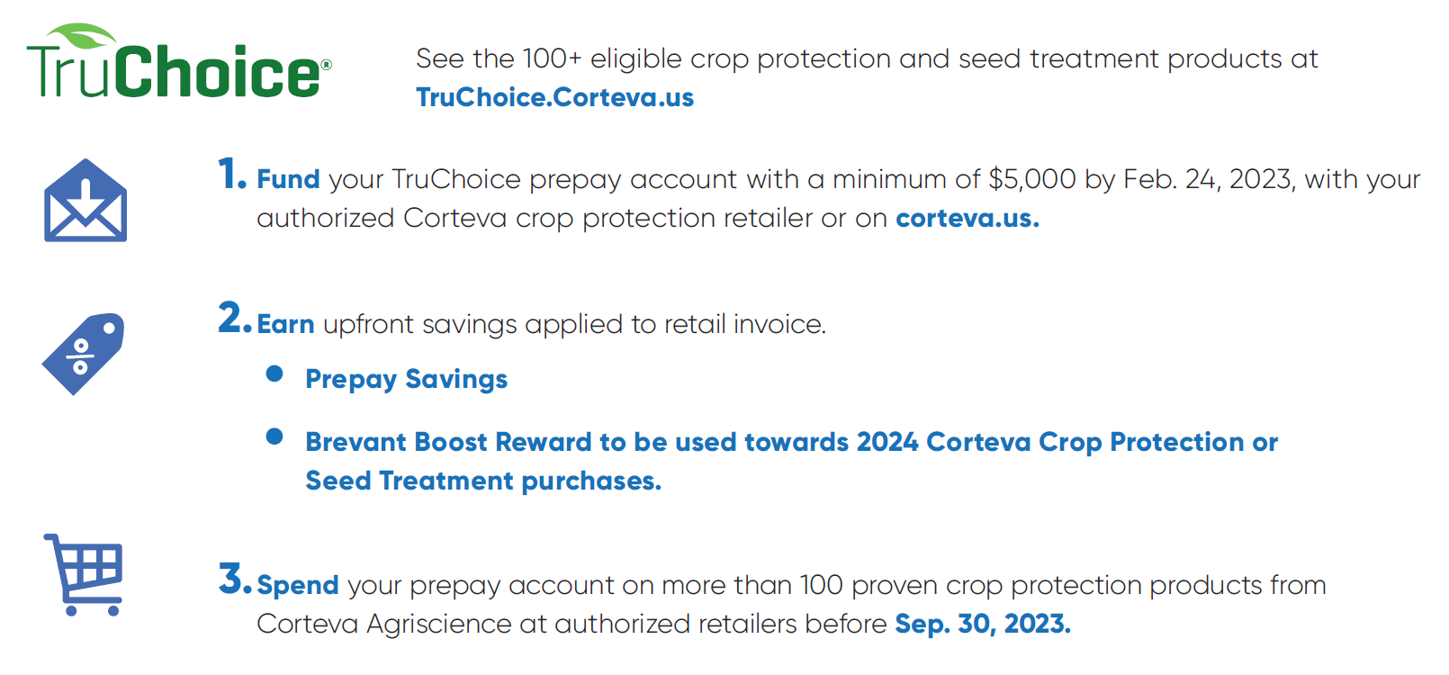

2022 Brevant® brand Corn purchase | 24 | BOOST value per unit of Brevant® brand Corn

2023 Brevant® brand Corn purchase* | 100

2023 Corteva® Truchoice Pre-pay | $60,000.00 | $30.00

Brevant® BOOST Payment | $3,000.00

*2023 Brevant® brand Corn Purchase must be 30 units or greater

™ ® Trademarks of Corteva Agriscience and its affiliated companies. © 2022 Corteva.

